Darwin Clustering_6_Scaled_KMea
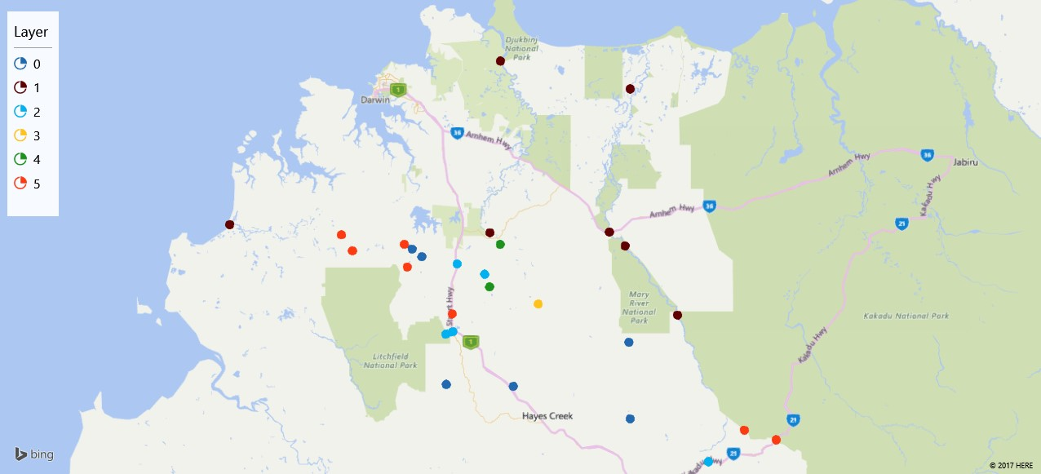
Gauge | Assignments | X Coordinate | Y Coordinate
81500001 | 1 | 130.3405885 | -12.88195079
81800001 | 1 | 131.7180415 | -12.42666654
81501800 | 5 | 130.7624922 | -12.96946241
81700001 | 1 | 131.2713946 | -12.3330559
3D Maps Tours This workbook has 3D Maps tours available. Open 3D Maps to edit or play the tours.
81700021 | 2 | 131.0836258 | -13.24944879
81700200 | 1 | 131.2353014 | -12.90917972
81800353 | 5 | 132.11061 | -13.57057398
81700660 | 2 | 131.1225335 | -13.01392203
81800260 | 5 | 132.220031 | -13.6028074
81800690 | 0 | 131.717784 | -13.53250506
81800354 | 1 | 131.8805607 | -13.18526398
81802520 | 2 | 131.9867241 | -13.67582929
81800350 | 1 | 131.646372 | -12.90692926
81702400 | 3 | 131.4016898 | -13.14836286
81800351 | 1 | 131.7002439 | -12.95328639
81700080 | 0 | 131.085275 | -13.41722298
81700840 | 4 | 131.2339395 | -13.09138748
81800352 | 0 | 131.7133451 | -13.27622584
81700050 | 4 | 131.2708227 | -12.94863907
81500002 | 5 | 130.7245913 | -12.91638348
81700760 | 5 | 131.1052699 | -13.18165911
81502040 | 5 | 130.9411246 | -12.94834715
81500970 | 0 | 130.9677999 | -12.96390324
81502000 | 0 | 131.0011117 | -12.99028725
81700060 | 0 | 131.3155492 | -13.42391034
81700051 | 2 | 131.2172064 | -13.04833523
81500100 | 5 | 130.9511349 | -13.02419337
81700020 | 2 | 131.1077714 | -13.24083162

